Sheet 1
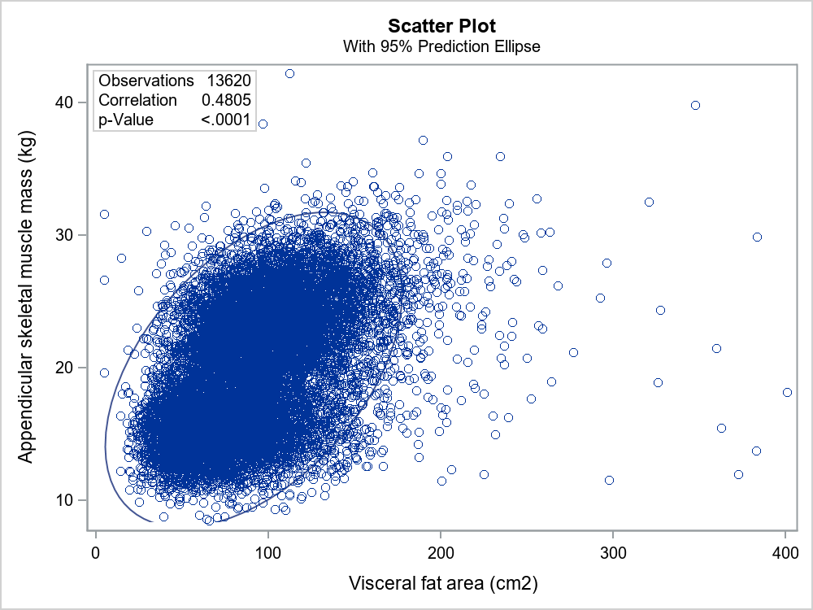
The CORR Procedure

2 Variables: | VFA_cm2 ASM_kg

Simple Statistics
Variable | N | Mean | Std Dev | Sum | Minimum | Maximum | Label
VFA_cm2 | 13620 | 91.48511 | 35.19833 | 1246027 | 5.00000 | 400.90000 | Visceral fat area (cm2)
ASM_kg | 13620 | 19.80860 | 4.85516 | 269793 | 8.43000 | 42.22000 | Appendicular skeletal muscle mass (kg)

Pearson Correlation Coefficients, N = 13620 Prob > |r| under H0: Rho=0
 | VFA_cm2 | ASM_kg
VFA_cm2 Visceral fat area (cm2) | 1.00000 | 0.48045 <.0001
ASM_kg Appendicular skeletal muscle mass (kg) | 0.48045 <.0001 | 1.00000

The CORR Procedure

